Instructions
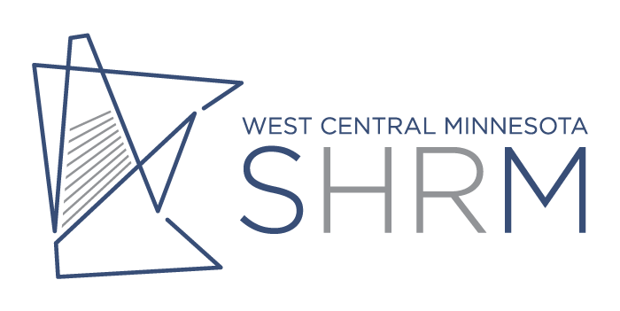

 | Thank you for participating in the 2021 Wage Survey. Please fill in the information that is relevant to your company. All completed surveys must be submitted by June 30, 2021 to be included in the final data compilation.

Minimum data Criteria: Individual position information will not be released unless at least 3 companies report data for that position.

Please report only on employees that work in your area, not out of state facilities.
The region wage information on the final report will be pulled from Region 4 (Becker, Clay, Douglas, Grant, Otter Tail, Pope, Stevens, Traverse and Wilkin Counties)

1 | Report one line of data per employee. Do NOT report average per job.
2 | Review the sample input page for the format of data.
3 | Review job descriptions to make appropriate matches to your organization positions.
4 | Once you have completed and reported each position in your company, Save As this document to your computer and email it back to Abby Strom at the AAEDC astrom@alexmn.org.

Position Title |  | Use the drop down list under Position Title in the Wage Input tab to select the position. Do not base the match on job title alone. Do NOT create your own Position Title.
Your Organization's Job Title |  | Enter the job title your organization uses
Hourly Wage |  | Enter the Hourly Position Wage (do not include bonuses or commission pay)

Return to the AAEDC Email: astrom@alexmn.org

Company Name:

Company Representative:

Any questions, please contact Abby Strom - 320.763.4545

Input Sample
West Central MN SHRM 2021 Wage Survey

Position Title | Your company Position Title | Hourly Position Wage

Accountant II | Accountant | $31.29
Human Resource Assistant | Administrative Assistant | $20.08
Marketing Assistant | Administrative Assistant | $18.63
Chef | Chef | $19.37
IT, Programmer | IT | $20.00
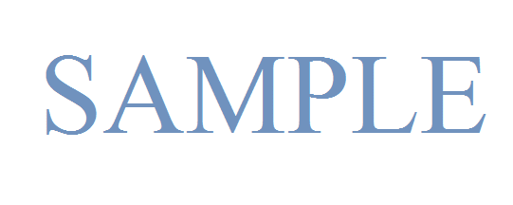
Nursing Assistant | Housekeeping Cleaners | $12.05
Nursing Assistant | Housekeeping Cleaners | $11.05
Quality Manager | Industrial Production Managers | $37.27

